BIRK
Model | Style | Colour | Picture | 35 | 36 | 37 | 38 | 39 | 40 | 41 | 42 | 43 | 44 | 45 | 46 | Total | Retail
Boston | 1027067 | Black | 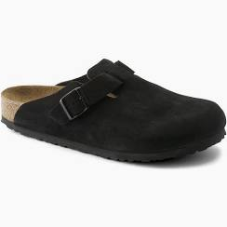 |  | 6 | 3 | 7 | 8 | 8 | 2 | 2 | 8 | 8 | 1 | 3 | 56 | € 150.00
Boston | 1029193 | Concrete Grey | 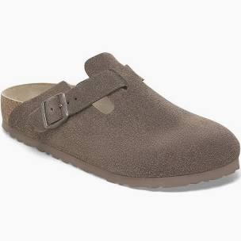 |  |  |  |  | 7 | 2 | 6 | 6 | 8 | 5 | 4 | 2 | 40 | € 150.00
Boston | 10277514 | Stone Coin | 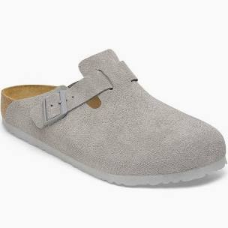 |  |  | 38 | 1 | 5 | 2 | 2 | 1 | 24 | 4 | 24 | 2 | 103 | € 150.00
Boston | 1028552 | Velvet Grey | 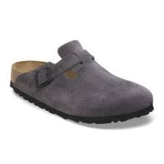 |  | 3 | 2 | 3 | 5 | 2 |  | 1 | 1 |  |  |  | 17 | € 150.00
Arizona | 51103 | Dark Brown | 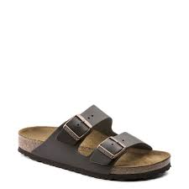 |  |  |  |  | 13 |  |  |  |  |  | 12 |  | 25 | € 110.00
Arizona | 1027687 | Stone Coin | 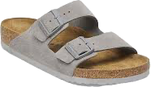 |  | 4 | 2 | 1 | 5 | 4 | 2 | 2 | 3 | 3 | 1 | 1 | 28 | € 120.00
Arizona | 352203 | Tabacco Brown | 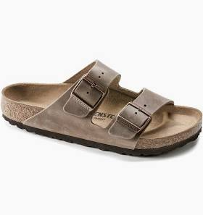 |  | 2 | 4 | 3 | 5 | 3 | 5 | 3 | 3 | 5 | 3 | 2 | 38 | € 120.00
Arizona | 51463 | Taupe | 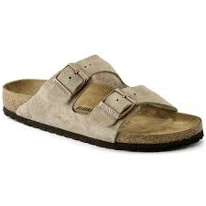 | 1 |  | 4 |  |  | 2 | 4 | 1 | 4 | 3 | 8 | 2 | 29 | € 120.00
Arizona SB | 1027039 | Faded Khaki | 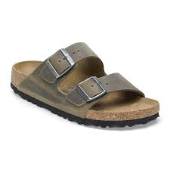 |  | 4 | 2 | 15 | 2 | 4 | 2 | 3 | 2 | 3 |  | 1 | 38 | € 120.00
Arizona | 52533 | Habana | 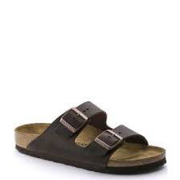 |  | 3 | 5 | 7 | 6 | 6 | 6 | 3 | 5 | 6 | 3 |  | 50 | € 120.00
Arizona | 1027083 | Mocca | 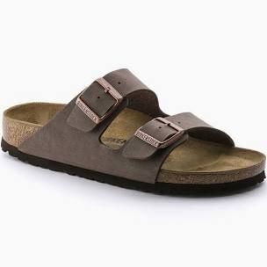 |  | 7 |  |  | 11 |  |  |  | 15 | 16 |  |  | 49 | € 120.00
Arizona | 1027164 | Black | 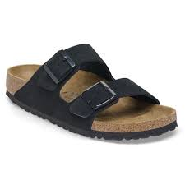 |  | 3 | 4 | 2 |  | 3 | 4 | 3 | 4 | 5 | 1 | 1 | 30 | € 120.00
Arizona | 1029260 | Sandcastle | 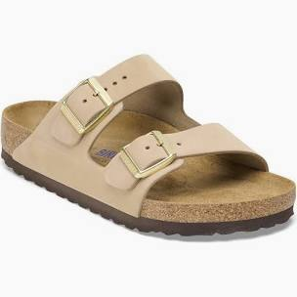 |  | 1 | 1 | 2 | 1 |  | 2 |  |  |  |  |  | 7 | € 120.00
Arizona | 1027039 | Faded Khaki | 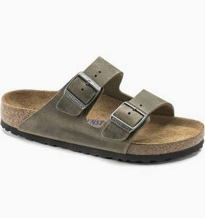 |  | 4 | 2 | 15 | 2 | 4 | 2 | 3 | 2 | 3 |  | 1 | 38 | € 120.00
Arizona | 1027723 | New Beige | 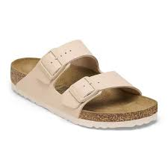 |  | 3 | 3 |  | 2 | 3 | 3 |  |  |  |  |  | 14 | € 90.00
Jackson 2.0 | 1030983 | Taupe | 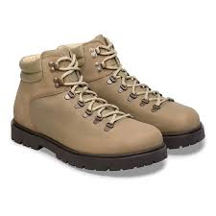 |  |  |  |  |  | 1 | 1 | 2 | 2 | 2 | 1 | 1 | 10 | € 220.00
Jackson 2.0 | 1030954 | Black | 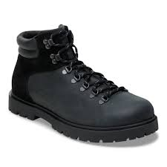 |  |  |  |  |  | 1 | 1 | 2 | 2 | 2 | 1 | 1 | 10 | € 220.00
Tokio ii | 1028323 | Taupe | 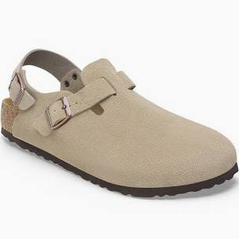 |  |  | 3 | 6 | 4 | 6 | 7 | 7 | 6 | 5 | 1 | 1 | 46 | € 160.00
Tokio ii | 1030660 | Thyme | 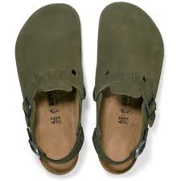 |  | 1 | 2 | 3 | 3 | 2 | 2 | 3 | 3 | 2 | 1 | 1 | 23 | € 160.00
Tokio ii | 1029149 | Basalt Grey | 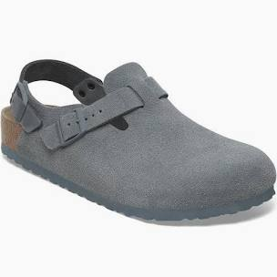 |  | 1 | 2 | 3 | 3 | 2 | 2 | 3 | 3 | 2 | 1 | 1 | 23 | € 160.00
Tokio ii | 1028348 | Black | 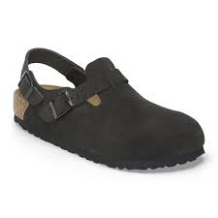 |  | 3 | 5 | 5 | 5 | 4 | 6 | 7 | 7 | 6 | 3 | 3 | 54 | € 160.00
Tokio ii | 1030617 | Mauve | 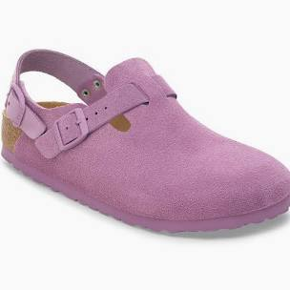 |  | 2 | 3 | 3 | 3 | 3 | 2 | 1 |  |  |  |  | 17 | € 160.00
Tokio ii | 1028329 | Stone Coin | 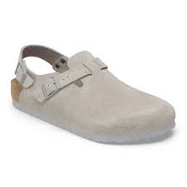 |  | 2 | 3 | 3 | 1 | 3 | 3 | 1 | 1 | 3 | 2 | 1 | 23 | € 160.00
Gizeh | 43691 | Black | 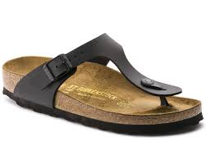 |  | 1 | 1 | 1 | 1 | 1 | 1 | 1 | 1 | 1 | 1 | 1 | 11 | € 90.00
Gizeh | 43751 | Mocca | 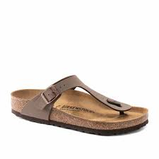 |  | 1 | 1 | 1 | 1 | 1 | 1 | 1 | 1 | 3 | 2 | 1 | 14 | € 90.00
Gizeh | 745531 | White | 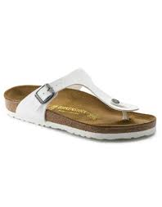 |  |  | 2 | 2 | 2 | 4 | 2 |  |  |  |  |  | 12 | € 90.00

 |  |  |  |  |  |  |  |  |  |  |  |  |  |  |  | 805

